Sheet1
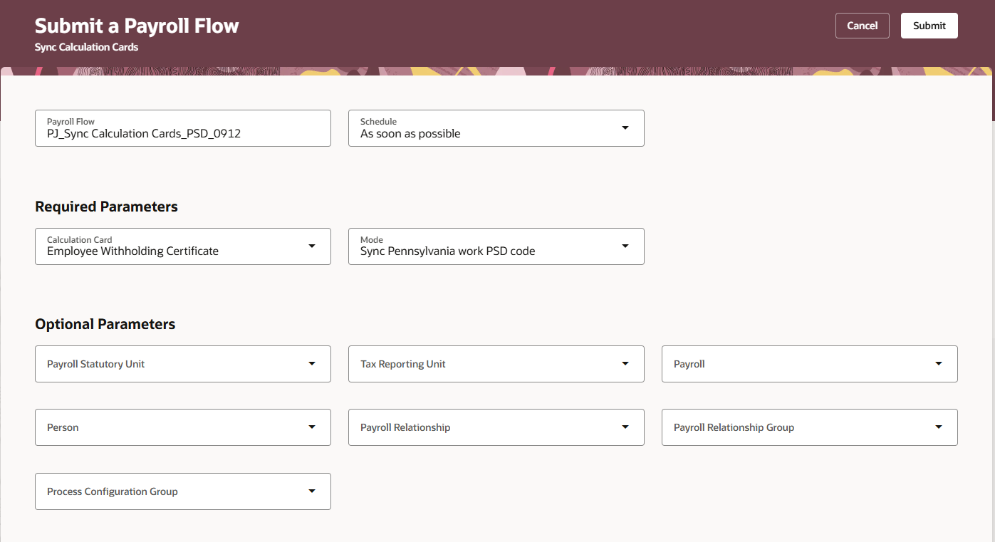
USOPTE Address Validation Task

Step1: | Enable the Redwood Calculation Entries task

 |  |  |  |  |  | ORA_PAY_CALC_ENTRIES_LANDING_REDWOOD_ENABLED

Updated Profile value to "Yes"

Address validation Steps as recommended by Oracle

Step 1: | Dev11
Step 2: | Enabled the enhanced address validation feature for the US
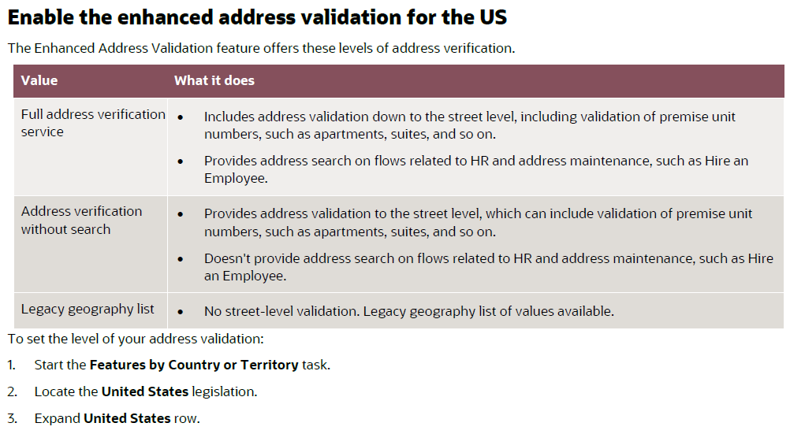
 | Setup and Maintenance > Search > Features by Country or Territory

 | Search "United States"

 | Full address verification service not available
 | Alternate, run Feature upgrade flow

 | My Client Groups > Submit a flow > Run Feature Upgrade
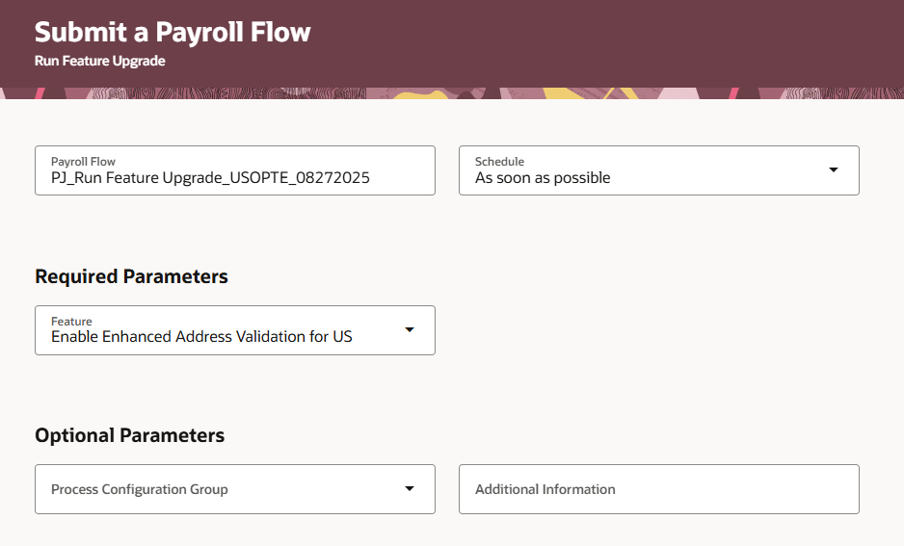

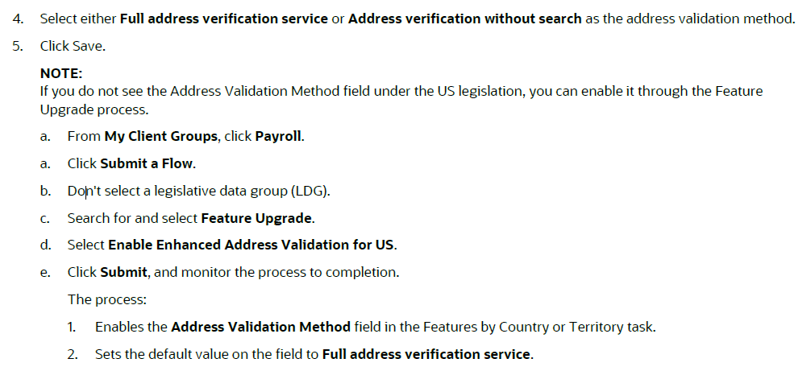

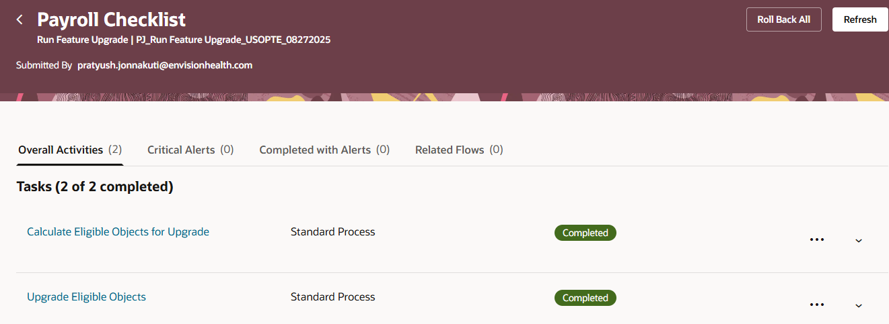

Step 3: | Import the enhanced master geography data set for the US

 | My Client Groups > Submit a Flow > Load Geographies
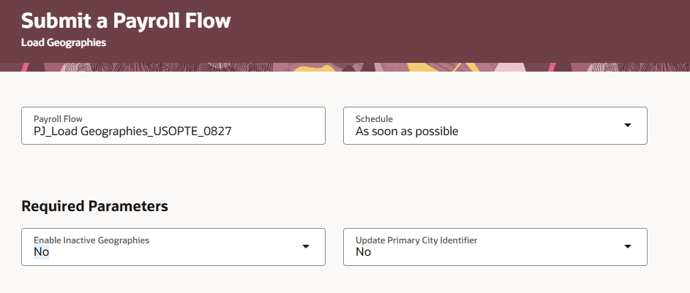
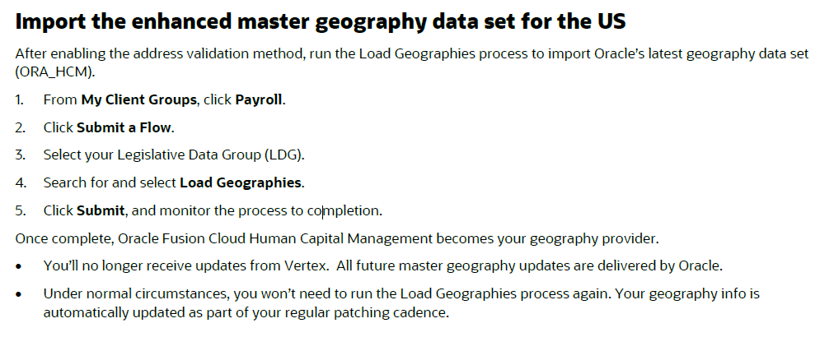

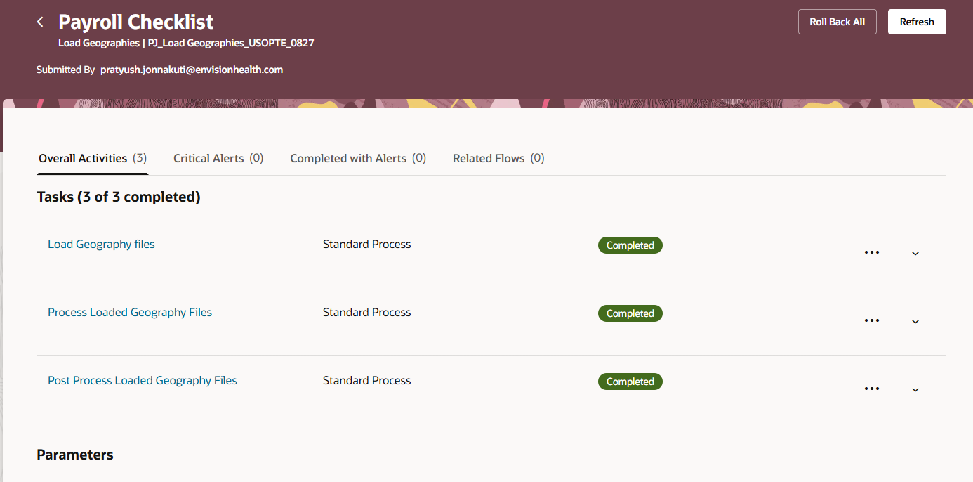

 | At this point, we have enabled complete address validation down to suite/apartment. Suggestions will also be included.

 | Before |  |  |  | After
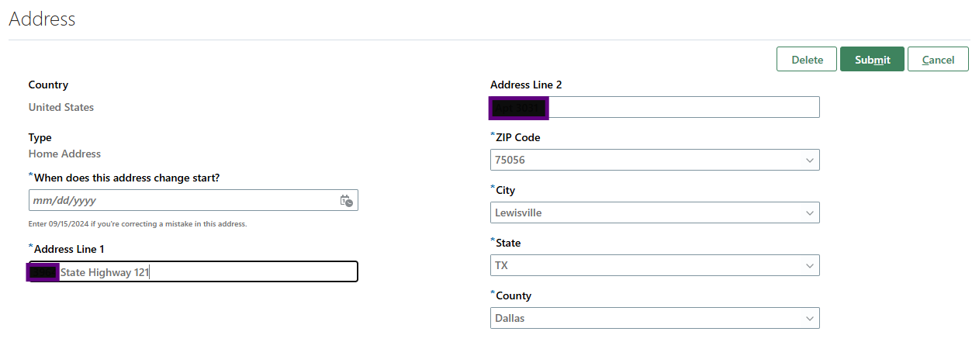
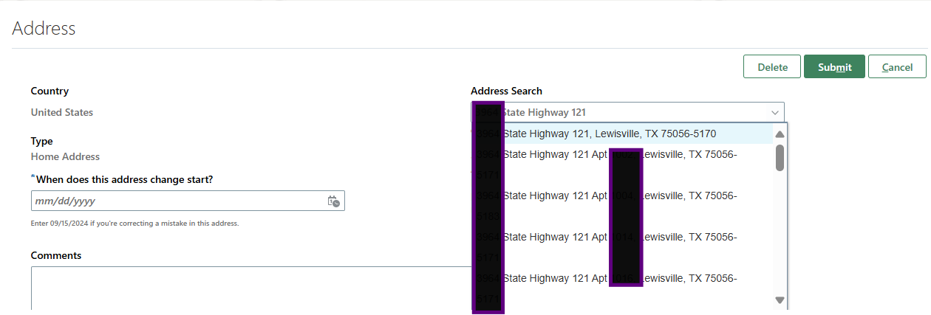

Step 4: | Validate employee and location addresses
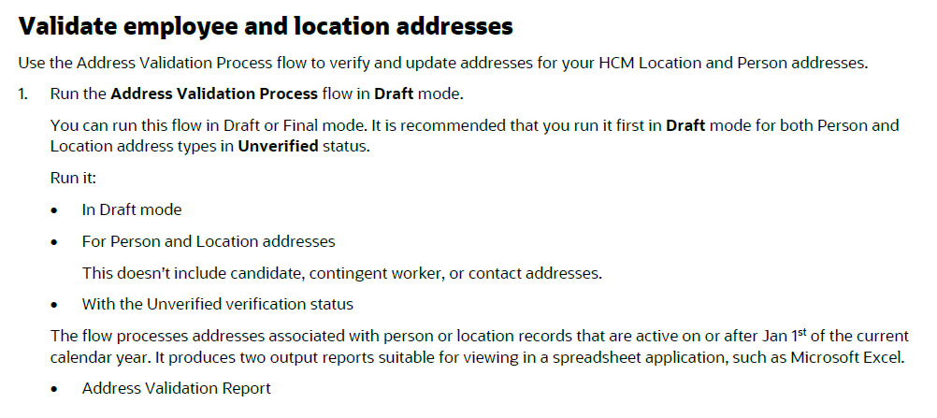

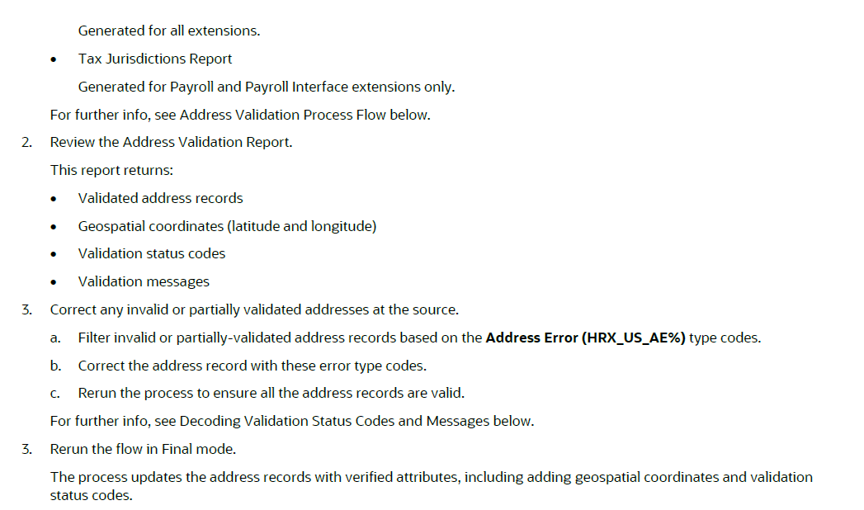

Step 5: | Running in Final Mode: Address validation
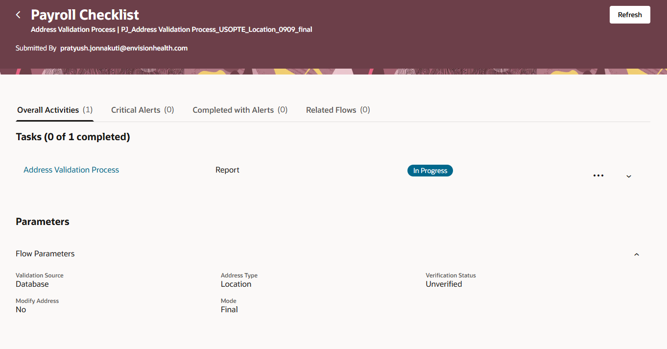

 | For Calc card, Run Tax witholding card audit report in Oracle

 | Post Address validation, We have to Enable USOPTE
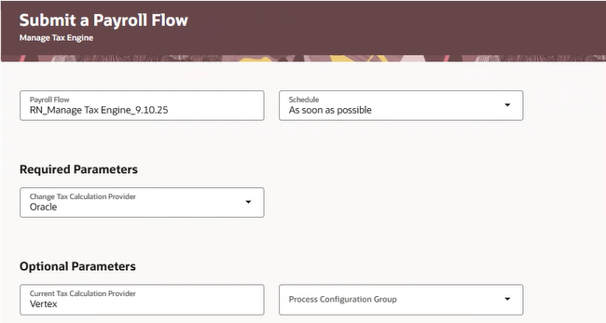

 | Manage Tax Engine process is complete.

 | We need to run Sync Calc card for Tax withholding card (new) to update with jurisdictions.
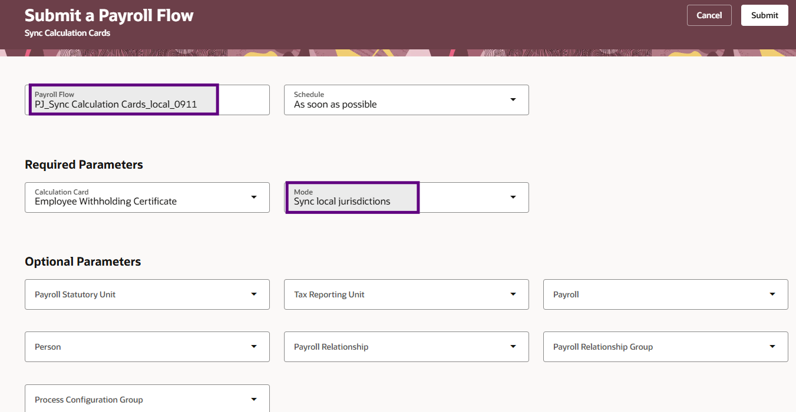

 | Sample: |  |  | PA EE | 190546
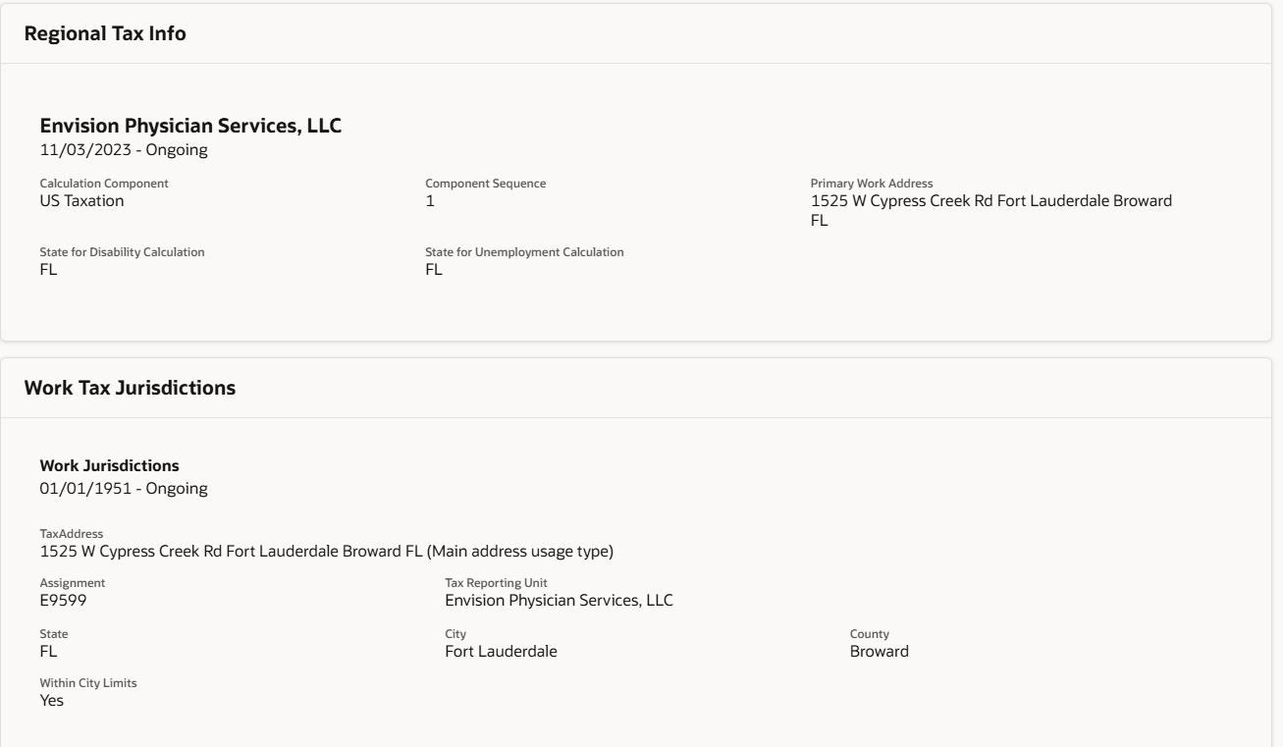
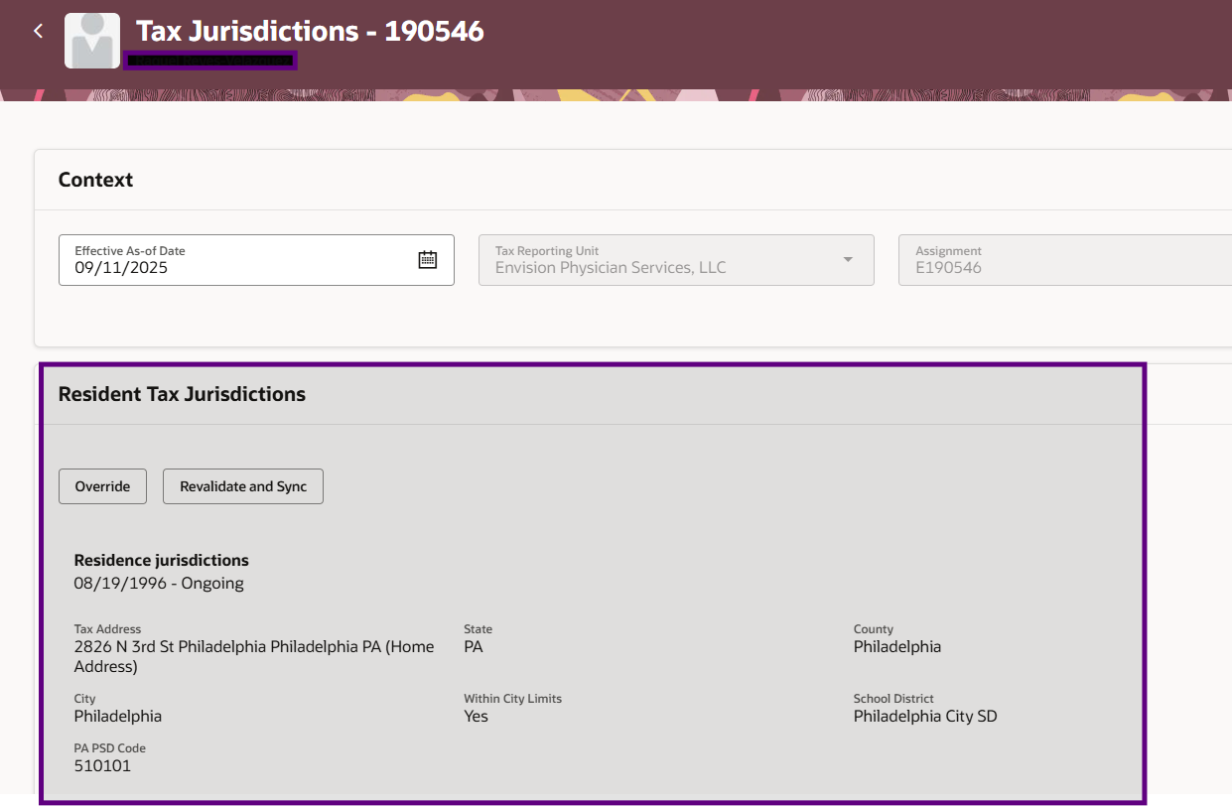
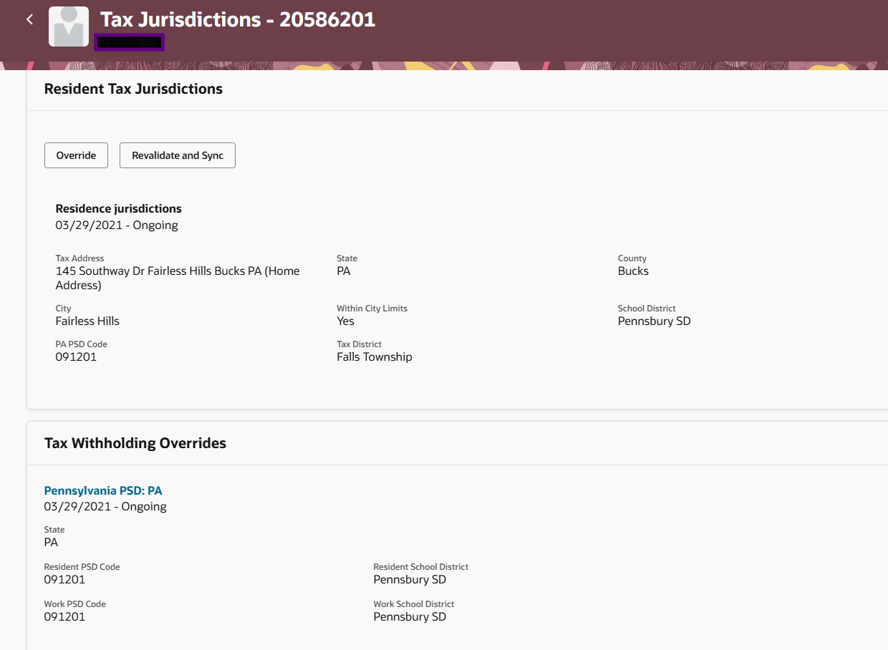

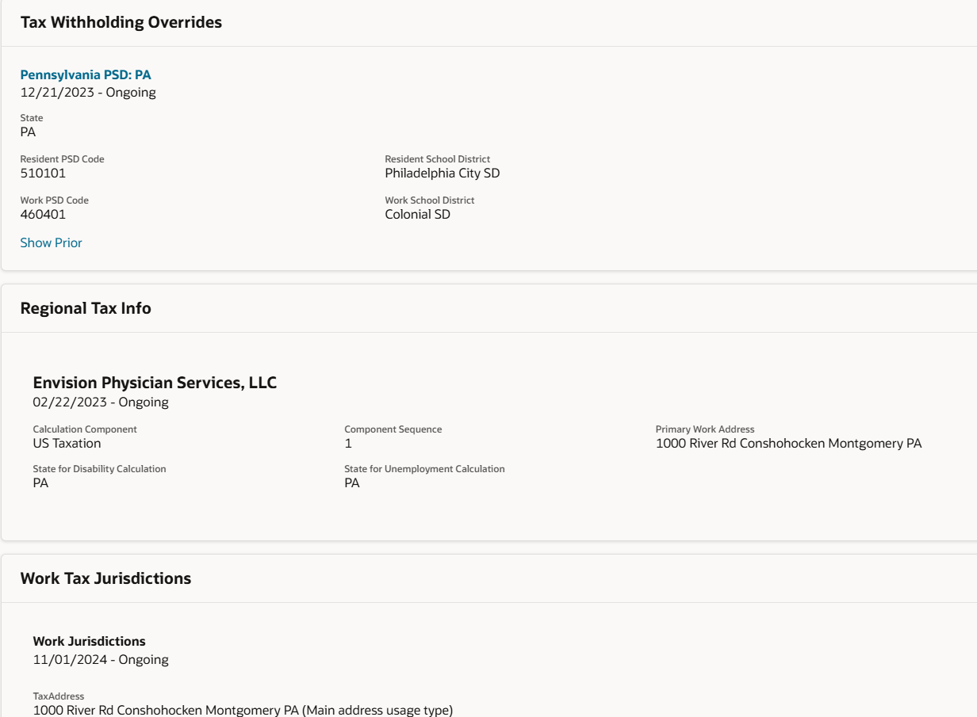

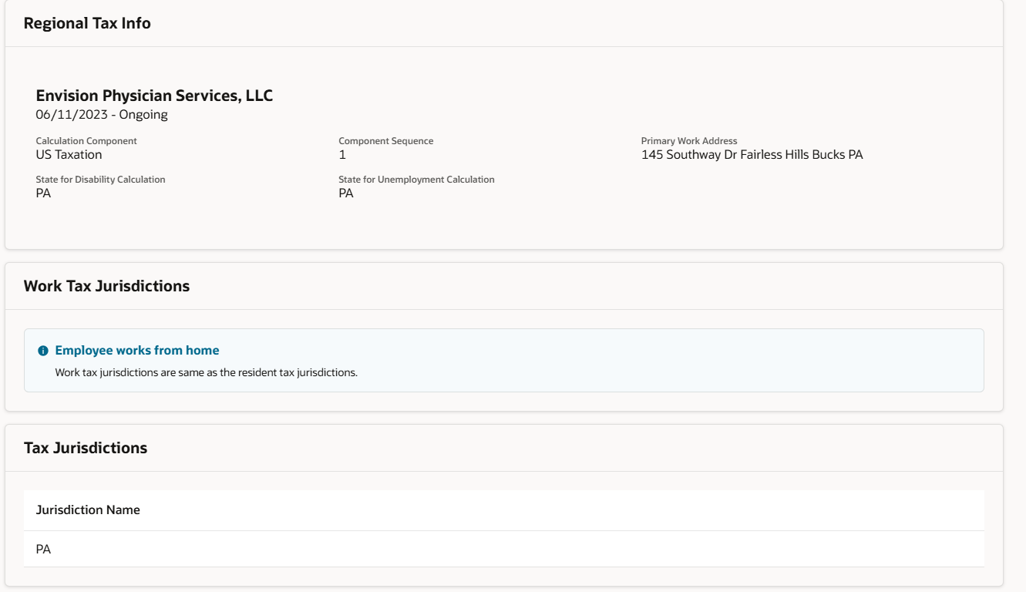

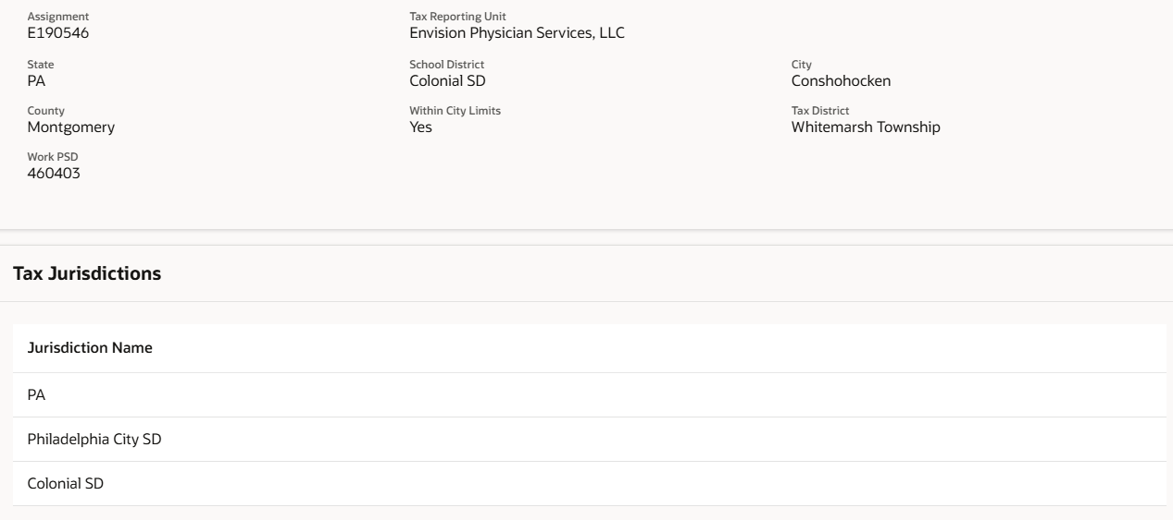

 | 20567849 | Geo Code not derived. Please reach out to Oracle for further investigation on this address.HRX_US_AV24 : The address was verified to the premise, such as house or building level., Geo Code not derived. Please reach out to Oracle for further investigation on this address.HRX_US_AC02 : The state was added or changed. | HRX_US_AV24,HRX_US_GE02
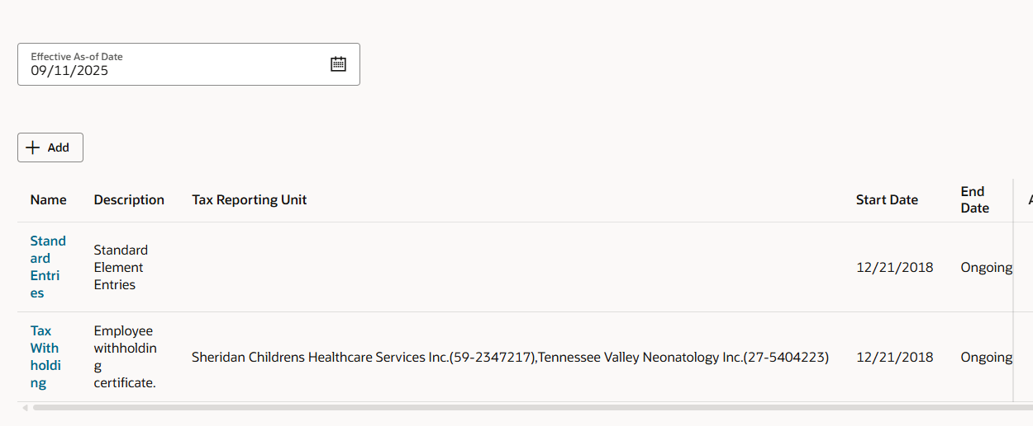

Jordan Mortensen | 20598000 | HRX_US_AC16 : The county was added or changed., HRX_US_AE02 : The verification service couldn't identify the input street because either there was no match or there were too many matches. Try updating the input address, and submit it again., HRX_US_AV12 : The verification service could verify this address only to the city level. | HRX_US_AE02,HRX_US_AV12

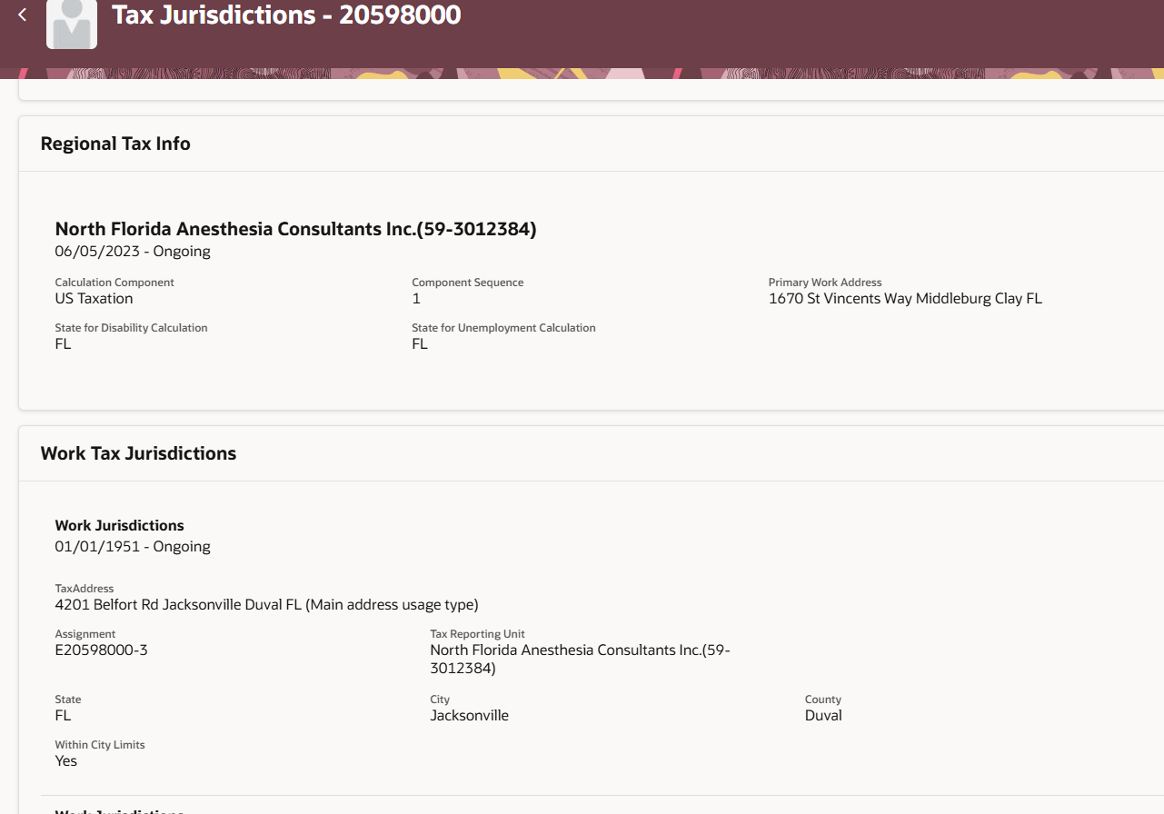

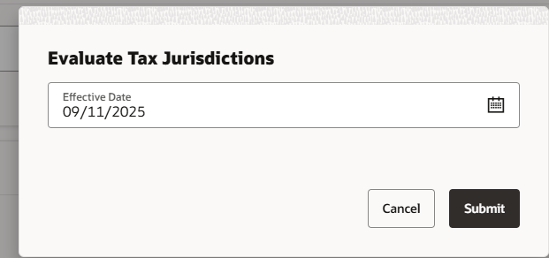

Kathleen Flitcraft | 19895473 | Geo Code not derived. Please reach out to Oracle for further investigation on this address.HRX_US_AV24 : The address was verified to the premise, such as house or building level., Geo Code not derived. Please reach out to Oracle for further investigation on this address.HRX_US_AC03 : The city was added or changed., Geo Code not derived. Please reach out to Oracle for further investigation on this address.HRX_US_GS05 : The geospatial coordinates for this address have been identified to its rooftop. | HRX_US_AV24,HRX_US_GS05
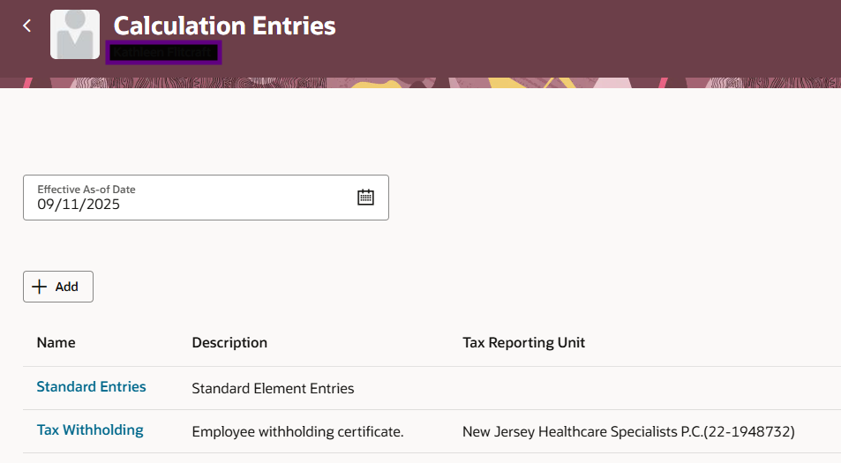

 | Run Sync Calculation Cards
 | Calculation card - Employee Withholding Certificate
 | Sync PA work PSD code

